Vane
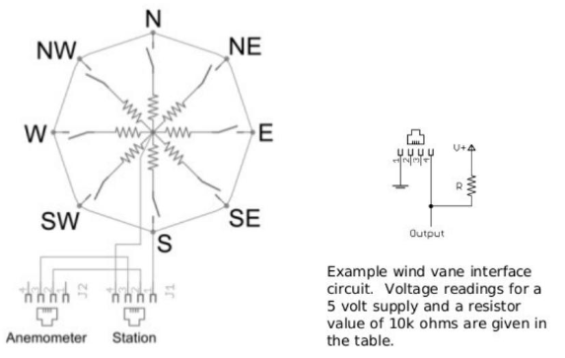
Wind Vane

Outside resistor |  | 10000 | Ohm
Voltage |  | 5 | Volt

Direction (degree) | Resistance (Ohm) | Measurement (Volt)
0 | 33000 | 3.8372093023
22.5 | 6570 | 1.9824984912
45 | 8200 | 2.2527472527
67.5 | 891 | 0.4090533468
90 | 1000 | 0.45454545455
112.5 | 688 | 0.32185628743
135 | 2200 | 0.90163934426
157.5 | 1410 | 0.61787905346
180 | 3900 | 1.4028776978
202.5 | 3140 | 1.1948249619
225 | 16000 | 3.0769230769
247.5 | 14120 | 2.9270315091
270 | 120 | 0.059288537549
292.5 | 42120 | 4.0406753645
315 | 64900 | 4.3324432577
337.5 | 21880 | 3.4316185696

Wind
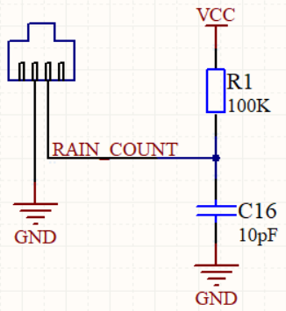
Anemometer

The cup-type anemometer measures wind speed by closing a contact as a magnet moves past a switch. A wind speed of 2.4km/h causes the switch to close once per second. The anemometer switch is connected to the inner two conductors of the RJ 11 cable shared by the anemometer and wind vane(pins 2 and 3)

